Introduction
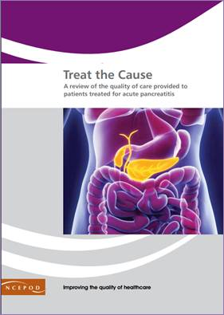

Acute Pancreatitis
Audit Toolkit
http://www.ncepod.org.uk/2015gih.htm
Thank you for downloading the toolkit for 'Treat the Cause?'. We hope you find this useful and if you have any feedback please do contact us at info@ncepod.org.uk (see below for link). Please can you advise your local audit department if you plan to undertake this audit, it is important that they are made aware of it for the benefit of demonstrating Trust activity and also so that they are in a position to support you and endorse the activity for your benefit.

info@ncepod.org.uk

Please complete as many questions which are applicable to the care of the patient

For information on the recommendation to which each question assesses please click on the button.
Please note that some questions do not link to the summary but can be used for your own analysis

This toolkit can be used in conjunction with the Self Assessment Checklist. This can be found by clicking on the report image or at:

http://www.ncepod.org.uk/2016ap.html

Summary
Radar chart
 | Recommendation - Sub criteria question number (referrence only)
 | 2 | 7 | 8 | 9 | 10 | 13 | 17 | 18
 | 3 | 7 | 10 | 12 | 14 | 18 | 21 | 23 |  | RAG system (NCEPOD recommends these are set at the following limits, however these can be adapted by your Trust where appropriate by amending the thresholds as required) | %
 | 4 | 8 | 11 | 13 | 15 | 19 | 22
 | 5 | 9 |  |  | 16 | 20
 | 6 |  |  |  | 17

 |  |  |  |  |  |  |  |  |  | Green | 100%
 |  |  |  |  |  |  |  |  |  | Amber | 50%

 | Recommendation - Sub criteria questions (score)
 | 2 | 7 | 8 | 9 | 10 | 13 | 17 | 18
 | No data | No data | No data | No data | No data | No data | No data | No data
 | No data | No data | No data | No data | No data | No data | No data
 | No data |  |  |  | No data | No data
 |  |  |  |  | No data

 | Average % of recommendation
 | No data | No data | No data | No data | No data | No data | No data | No data

 |  |  |  |  |  |  |  |  | #REF! |  |  | #REF! | #REF! | #REF! | #REF! | #REF! | #REF! | #REF! | #REF!
 |  |  |  |  |  |  |  |  |  | #REF! | #REF!

